Full Data
Name of Local Authority Pension Fund | Description of holding - equity, gilts, government bonds, non govt bonds etc | Sub-category/ Classification | Number of bonds/ shares | Fund manager | Amount
Durham County Council Pension Fund
Durham County Council Pension Fund
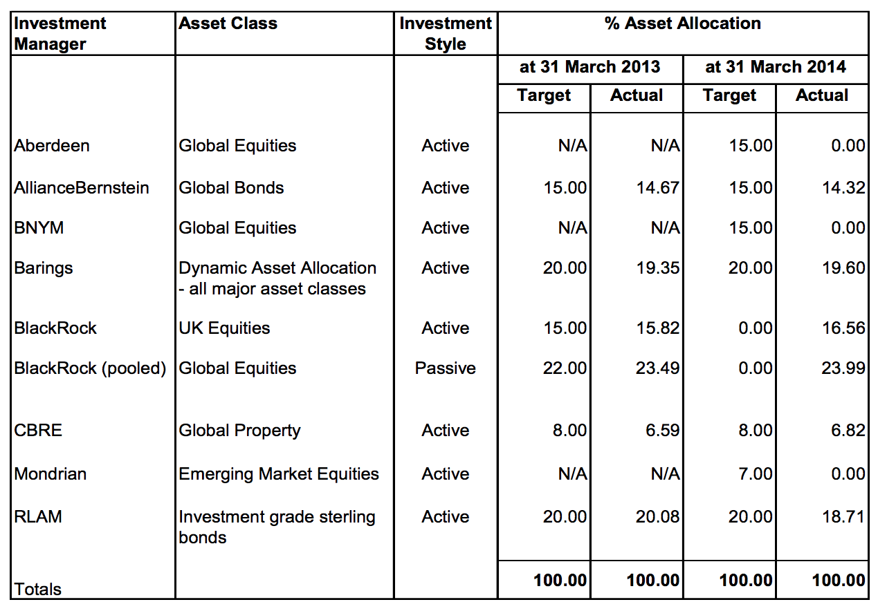
Durham County Council Pension Fund
Durham County Council Pension Fund
Durham County Council Pension Fund
Durham County Council Pension Fund
Durham County Council Pension Fund
Durham County Council Pension Fund
Durham County Council Pension Fund
Durham County Council Pension Fund
Durham County Council Pension Fund
Durham County Council Pension Fund
Durham County Council Pension Fund
Durham County Council Pension Fund
Durham County Council Pension Fund
Durham County Council Pension Fund
Durham County Council Pension Fund
Durham County Council Pension Fund
Durham County Council Pension Fund
Durham County Council Pension Fund
Durham County Council Pension Fund
Durham County Council Pension Fund
Durham County Council Pension Fund
Durham County Council Pension Fund
Durham County Council Pension Fund
Durham County Council Pension Fund
Durham County Council Pension Fund
Durham County Council Pension Fund
Durham County Council Pension Fund
Durham County Council Pension Fund

